Pork Sustainability Calculator
Wean-to-Finish Pork Sustainability Calculator
Iowa Pork Industry Center -- Iowa State University Extension and Outreach
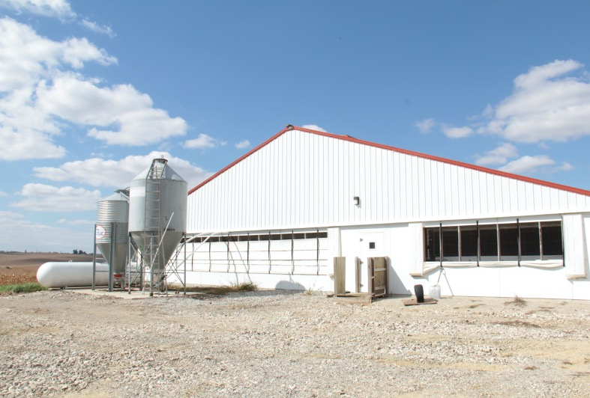
Enter your values for barn size, mortality rate, and feed efficiency in the shaded cells.
Select your manure management system and feed type using the drop down list in the shaded cells.

Inputs | Baseline | Target
Wean-to-finish barn size by head | 2500 | 2500
Mortality Rate (%) | 0% | 0%
Manure Management System | Deep Pit >1 month storage | Deep Pit >1 month storage
Feed Efficiency (lb) | 2.57 | 2.57
Feed Type | With Distillers Grain | With Distillers Grain

Outputs | Baseline | Target | Change (%) | ∆ (lb)
Lbs of Carbon Dioxide Per lbs Market Hog | 4.06 | 4.06 | 0.00% | 0.00
Lbs of Carbon Dioxide Per Barn Cycle | 2,852,213 | 2,852,213 | 0.00% | 0

Notes
The change % and ∆ lb for the market hog carbon dioxide output includes carbon dioxide produced from pigs that reach market weight and dead pigs.
Green (-%, -0.00) cells represent a decrease in carbon dioxide emissions and Red (%, 0.00) cells represent an increase in carbon dioxide emissions.

Version 2.0
Contact: Erika Johnson
Date Printed:
2023-03-30

This institution is an equal opportunity provider. For the full non-discrimination statement or accommodation inquiries, go to www.extension.iastate.edu/diversity/ext.

